Before Normalization
Artifact Auction System
1. ERD Before normalisation

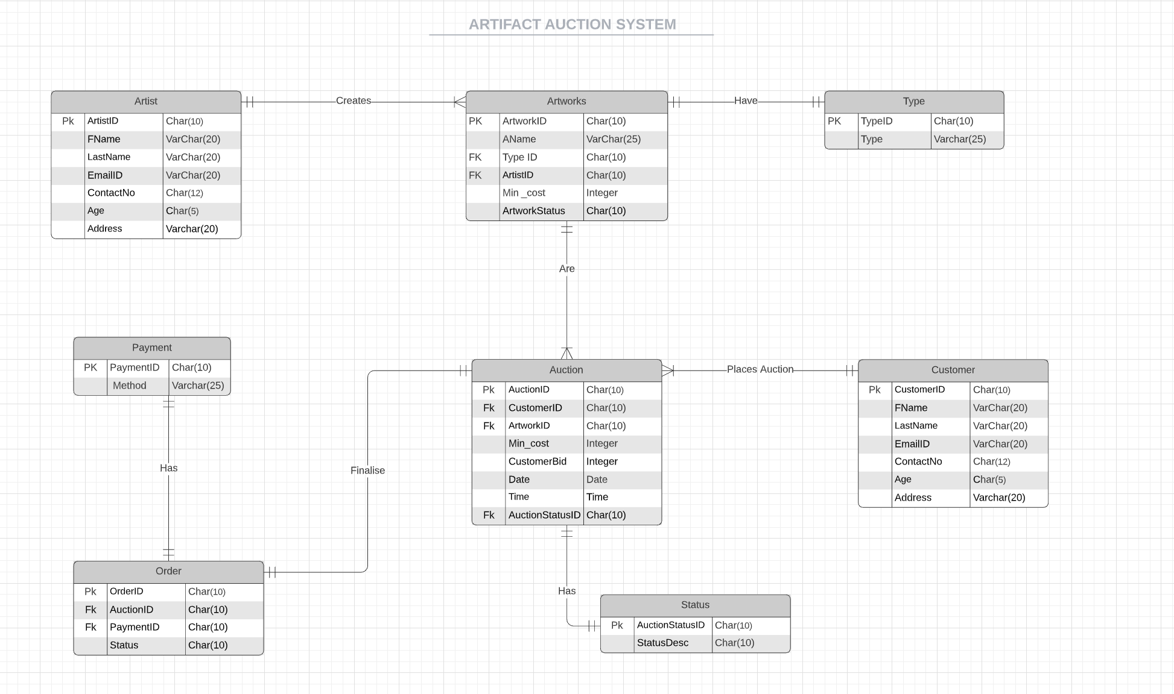

2.Mark all PK and FK also fill the data accoring to cardinality

 |  |  |  |  | one to many with artworks |  |  |  |  |  |  |  |  |  |  |  |  |  |  |  | many to one with artworks |  |  |  |  |  |  | one to many with auction |  |  |  |  |  |  | one to one | with payment
 |  |  |  |  |  |  |  |  |  |  |  |  |  | one to one with artworks |  |  |  |  |  |  | one to one with status |  |  |  |  |  |  |  |  |  |  |  |  |  | one to one | with Auction
Artist |  |  |  |  |  |  | Artworks |  |  |  |  |  | Type |  | Auction |  |  |  |  |  |  |  | Customer |  |  |  |  |  |  | Status |  | Order |  |  |  | Payment
PK |  |  |  |  |  |  | PK |  | Fk | FK |  |  | PK |  | PK | FK | FK |  |  |  |  | FK | PK |  |  |  |  |  |  | PK |  | PK | FK | FK |  | PK
ArtistID | Fname | LastName | EmailID | ContactNo | Age | Address | ArtworkID | Aname | Type ID | ArtistID | Min _cost | ArtworkStatus | TypeID | Type | AuctionID | CustomerID | ArtworkID | Min_cost | CustomerBid | Date | Time | AuctionStatusID | CustomerID | FName | LastName | EmailID | ContactNo | Age | Address | AuctionStatusID | StatusDesc | OrderID | AuctionID | PaymentID | Status | PaymentID | Method

 |  |  |  |  |  |  |  |  |  |  |  |  |  |  |  |  |  |  |  |  |  |  |  |  |  |  |  |  |  |  |  |  |  |  | one to one | with payment
 |  |  |  |  | one to many with artworks |  |  |  |  |  |  |  |  |  |  |  |  |  |  |  | many to one with artworks |  |  |  |  |  |  | one to many with auction |  |  |  |  |  |  | one to one | with Auction
 |  |  |  |  |  |  |  |  |  |  |  |  |  | one to one with artworks |  |  |  |  |  |  | one to one with status
Artist |  |  |  |  |  |  | Artworks |  |  |  |  |  | Type |  | Auction |  |  |  |  |  |  |  | Customer |  |  |  |  |  |  | Status |  | Order |  |  |  | Payment
PK |  |  |  |  |  |  | PK |  | Fk | FK |  |  | PK |  | PK | FK | FK |  |  |  |  | FK | PK |  |  |  |  |  |  | PK |  | PK | FK | FK |  | PK
ArtistID | Fname | LastName | EmailID | ContactNo | Age | Address | ArtworkID | Aname | Type ID | ArtistID | Min _cost | ArtworkStatus | TypeID | Type | AuctionID | CustomerID | ArtworkID | Min_cost | CustomerBid | Date | Time | AuctionStatusID | CustomerID | FName | LastName | EmailID | ContactNo | Age | Address | AuctionStatusID | StatusDesc | OrderID | AuctionID | PaymentID | Status | PaymentID | Method
A001 | Bobby | Campbell | bobbycampbell@gmail.com | 337-266-6271 | 34 | 7272 Marvin D Love Fwy, Dallas, Texas(TX), 75237 | ART1 | Monalisa | T001 | A001 | $1000 | Available | T001 | Oil Painting | AUC01 | C0001 | ART1 | $1000 | $1500 | 2020-04-05 | 11:00:00 | AU002 | C0001 | Mellanie | Garcias | Mellanie@utd.com | 453-3467-7890 | 25 | 7122,Mimosa Road,Dallas,Texas(TX),75671 | AU002 | In-Progress | --- |  |  |  |  |  | IMPT Business rules:
A001 | Bobby | Campbell | bobbycampbell@gmail.com | 337-266-6271 | 34 | 7272 Marvin D Love Fwy, Dallas, Texas(TX), 75237 | ART2 | Picasso | T001 | A001 | $1500 | Sold-out | T001 | Oil Painting | AUC02 | C0001 | ART2 | $1500 | $1800 | 2020-04-06 | 23:00:00 | AU001 | C0001 | Mellanie | Garcias | Mellanie@utd.com | 453-3467-7890 | 25 | 7122,Mimosa Road,Dallas,Texas(TX),75671 | AU001 | Accepted | O001 | AUC02 | P001 | Paid | P001 | Debit/Credit card | 1. ORDER ID IS CREATED ONLY FOR THOSE AUCTIONS WHICH HAVE BEEN ACCEPTED.
A002 | Lori | Jackson | lorijackson@gmail.com | 787-367-0895 | 30 | 7061 Chapelridge Dr, Dallas, Texas(TX), 75249 | ART3 | Covid Theme | T002 | A002 | $2000 | Available | T002 | Canvas Painting | AUC03 | C0002 | ART3 | $2000 | $2500 | 2020-04-07 | 10:00:00 | AU002 | C0002 | Hector | Sharma | Hector@utd.com | 453-3467-7891 | 29 | 2345 Royal Ln, Irving, TX, 75068 | AU002 | In-Progress | --
A002 | Lori | Jackson | lorijackson@gmail.com | 787-367-0895 | 30 | 7061 Chapelridge Dr, Dallas, Texas(TX), 75249 | ART4 | The Starry Night | T002 | A002 | $2500 | Sold-out | T002 | Canvas Painting | AUC04 | C0003 | ART4 | $2500 | $2700 | 2020-04-08 | 0:00:00 | AU001 | C0003 | Zakhir | Hussain | Zakhir@utd.com | 453-3467-7892 | 28 | 2567 W campbell Rd, Dallas, TX, 75063 | AU001 | Accepted | O002 | AUC04 | P001 | Paid | P001 | Debit/Credit card
A003 | Patty | Barber | pattybarber@gmail.com | 989-437-7000 | 29 | 7304 Little Canyon Rd, Dallas, Texas(TX), 75249 | ART5 | American Gothic | T003 | A003 | $500 | Available | T003 | Pencil Sketch | AUC05 | C0004 | ART5 | $500 | $700 | 2020-04-09 | 18:00:00 | AU002 | C0004 | Mathew | Rich | Mathew@cust.com | 453-3467-7893 | 27 | Null | AU002 | In-Progress | ---
A003 | Patty | Barber | pattybarber@gmail.com | 989-437-7000 | 29 | 7304 Little Canyon Rd, Dallas, Texas(TX), 75249 | ART6 | Sunrise | T008 | A003 | $3500 | Available | T008 | Pottery | AUC06 | C0004 | ART6 | $3500 | $3600 | 2020-04-10 | 19:00:00 | AU002 | C0004 | Mathew | Rich | Mathew@cust.com | 453-3467-7893 | 27 | 56 E Dallas St, San Antonio, TX, 65789 | AU002 | In-Progress | ---
A004 | Miranda | Hampton | mirandahampton@gmail.com | 810-593-4072 | 41 | Null | ART7 | Sunset | T004 | A004 | $3500 | Available | T004 | Handloom | AUC07 | C0005 | ART7 | $3500 | $3700 | 2020-04-11 | 17:00:00 | AU002 | C0005 | Bob | Brown | Bob@cust.com | 453-3467-7894 | 26 | 3456 Main Street, Houston, TX, 67489 | AU002 | In-Progress | ---
A005 | George | Gibson | georgegibson@gmailcom | 901-319-7427 | 32 | 1636 Meadow Valley Ln, Dallas, Texas(TX), 75232 | ART8 | Greenary | T004 | A005 | $1000 | Sold-out | T004 | Handloom | AUC08 | C0005 | ART8 | $1000 | $1500 | 2020-04-14 | 4:00:00 | AU001 | C0005 | Bob | Brown | Bob@cust.com | 453-3467-7894 | 26 | 3456 Main Street, Houston, TX, 67489 | AU001 | Accepted | O003 | AUC08 | P003 | Paid | P003 | Paypal
A005 | George | Gibson | georgegibson@gmailcom | 901-319-7427 | 32 | 1636 Meadow Valley Ln, Dallas, Texas(TX), 75232 | ART4 | The Starry Night | T002 | A005 | $2500 | Sold-out | T002 | Canvas Painting | AUC09 | C0006 | ART4 | $2500 | $2600 | 2020-04-13 | 21:00:00 | AU003 | C0006 | Thomas | Williams | Thomas@cust.com | 453-3467-7895 | 25 | 25 Rachin boulvd, Newark, NJ, 45939 | AU003 | Rejected | --
A006 | Clinton | Mont | clintonmont@gmail.com | 207-354-7832 | 27 | 1143 Woodmeadow Pky #6, Dallas, Texas(TX), 75228 | ART10 | Calligraphy | T005 | A006 | $500 | Sold-out | T005 | Water Painting | AUC10 | C0006 | ART10 | $500 | $800 | 2020-04-14 | 7:00:00 | AU001 | C0006 | Thomas | Williams | Thomas@cust.com | 453-3467-7895 | 25 | 25 Rachin boulvd, Newark, NJ, 45939 | AU001 | Accepted | O004 | AUC10 | P004 | Unpaid | P004 | Cash
A006 | Clinton | Mont | clintonmont@gmail.com | 207-354-7832 | 27 | 1143 Woodmeadow Pky #6, Dallas, Texas(TX), 75228 | ART10 | Calligraphy | T005 | A006 | $500 | Sold-out | T005 | Water Painting | AUC11 | C0007 | ART10 | $500 | $800 | 2020-04-15 | 7:00:00 | AU003 | C0007 | Mary | Miller | Oswald@cust.com | 453-3467-7896 | 24 | 4564 Bush Blvd, Edison, NJ, 45978 | AU003 | Rejected | ---
A007 | Felix | Hogan | felixhogan@gmail.com | 612-559-3066 | 29 | 1001 Ross Ave, Dallas, Texas(TX), 75202 | ART9 | Ocean | T004 | A007 | $2000 | Sold-out | T004 | Handloom | AUC12 | C0007 | ART9 | $2000 | $2500 | 2020-04-07 | 20:00:00 | AU001 | C0007 | Mary | Miller | Oswald@cust.com | 453-3467-7896 | 24 | 4564 Bush Blvd, Edison, NJ, 45978 | AU001 | Accepted | O005 | AUC12 | P002 | Paid | P002 | Check
A007 | Felix | Hogan | felixhogan@gmail.com | 612-559-3066 | 29 | 1001 Ross Ave, Dallas, Texas(TX), 75202 | ART3 | Covid Theme | T002 | A007 | $2000 | Available | T002 | Canvas Painting | AUC13 | C0008 | ART3 | $2000 | $2500 | 2020-04-17 | 8:00:00 | AU002 | C0008 | Sarah | Hayden | Sarah@cust.com | 453-3467-7897 | 23 | 30th Street, New York, NY, 35487 | AU002 | In-Progress | ---
A007 | Felix | Hogan | felixhogan@gmail.com | 612-559-3066 | 29 | 1001 Ross Ave, Dallas, Texas(TX), 75202 | ART4 | The Starry Night | T002 | A007 | $2500 | Sold-out | T002 | Canvas Painting | AUC14 | C0008 | ART4 | $2500 | $2600 | 2020-04-09 | 21:00:00 | AU003 | C0008 | Sarah | Hayden | Sarah@cust.com | 453-3467-7897 | 23 | 30th Street, New York, NY, 35487 | AU003 | Rejected | ---
A008 | Mona | Cole | monacole@gmail.com | 609-217-0856 | 32 | 10323 Woodlot Dr, Dallas, Texas(TX), 75217 | ART5 | American Gothic | T003 | A008 | $500 | Available | T003 | Pencil Sketch | AUC15 | C0008 | ART5 | $500 | $800 | 2020-04-19 | 9:00:00 | AU002 | C0008 | Sarah | Hayden | Sarah@cust.com | 453-3467-7897 | 23 | 30th Street, New York, NY, 35487 | AU002 | In-Progress | ---
A008 | Mona | Cole | monacole@gmail.com | 609-217-0856 | 32 | 10323 Woodlot Dr, Dallas, Texas(TX), 75217 | ART6 | Sunrise | T008 | A008 | $3500 | Available | T008 | Pottery | AUC16 | C0009 | ART6 | $3500 | $3600 | 2020-04-20 | 7:00:00 | AU002 | C0009 | Monty | Yadav | Monty@cust.com | 453-3467-7898 | 22 | 345 W Evans St, Las Vegas, NV, 64923 | AU002 | In-Progress | ---
A009 | Sam | Kim | samkim@gmail.com | 972-291-1271 | 25 | 1234 Adelaide Dr, Dallas, Texas(TX), 75216 | ART7 | Sunset | T004 | A009 | $3500 | Available | T004 | Handloom | AUC17 | C0009 | ART7 | $3500 | $3550 | 2020-04-21 | 16:00:00 | AU002 | C0009 | Monty | Yadav | Monty@cust.com | 453-3467-7898 | 22 | 345 W Evans St, Las Vegas, NV, 64923 | AU002 | In-Progress | ----
A009 | Sam | Kim | samkim@gmail.com | 972-291-1271 | 25 | 1234 Adelaide Dr, Dallas, Texas(TX), 75216 | ART3 | Covid Theme | T002 | A009 | $2000 | Available | T002 | Canvas Painting | AUC18 | C0010 | ART3 | $2000 | $2100 | 2020-04-09 | 3:00:00 | AU002 | C0010 | Alex | Smith | Alex@@cust.com | 453-3467-7899 | 25 | 67th peir, OklohomaCity, OK, 56734 | AU002 | In-Progress | ----
A010 | John | Vaughn | johnvaughn@gmail.com | 503-759-0667 | 35 | 275 Market St, Dallas, Texas(TX), 75065 | ART4, ART5 | The Starry Night | T002 | A010 | $2500 | Sold-out | T002 | Canvas Painting | AUC19 | C0010 | ART4 | $2500 | $2600 | 2020-04-03 | 15:00:00 | AU003 | C0010 | Alex | Smith | Alex@@cust.com | 453-3467-7899 | 25 | 67th peir, OklohomaCity, OK, 56734 | AU003 | Rejected | ---
A010 | John | Vaughn | johnvaughn@gmail.com | 503-759-0667 | 35 | 275 Market St, Dallas, Texas(TX), 75065 | ART5 | American Gothic | T003 | A006 | $500 | Available | T003 | Pencil Sketch | AUC20 | C0010 | ART5 | $500 | $600 | 2020-04-02 | 14:00:00 | AU002 | C0010 | Alex | Smith | Alex@@cust.com | 453-3467-7899 | 25 | 67th peir, OklohomaCity, OK, 56734 | AU002 | In-Progress | ----
A010 | John | Vaughn | johnvaughn@gmail.com | 503-759-0667 | 35 | 275 Market St, Dallas, Texas(TX), 75065 | ART5 | American Gothic | T003 | A006 | $500 | Available | T003 | Photography | AUC20 | C0010 | ART5 | $500 | $600 | 2020-04-02 | 14:00:00 | AU002 | C0010 | Alex | Smith | Alex@@cust.com | 453-3467-7899 | 25 | 67th peir, OklohomaCity, OK, 56734 | AU002 | In-Progress | ----

Final
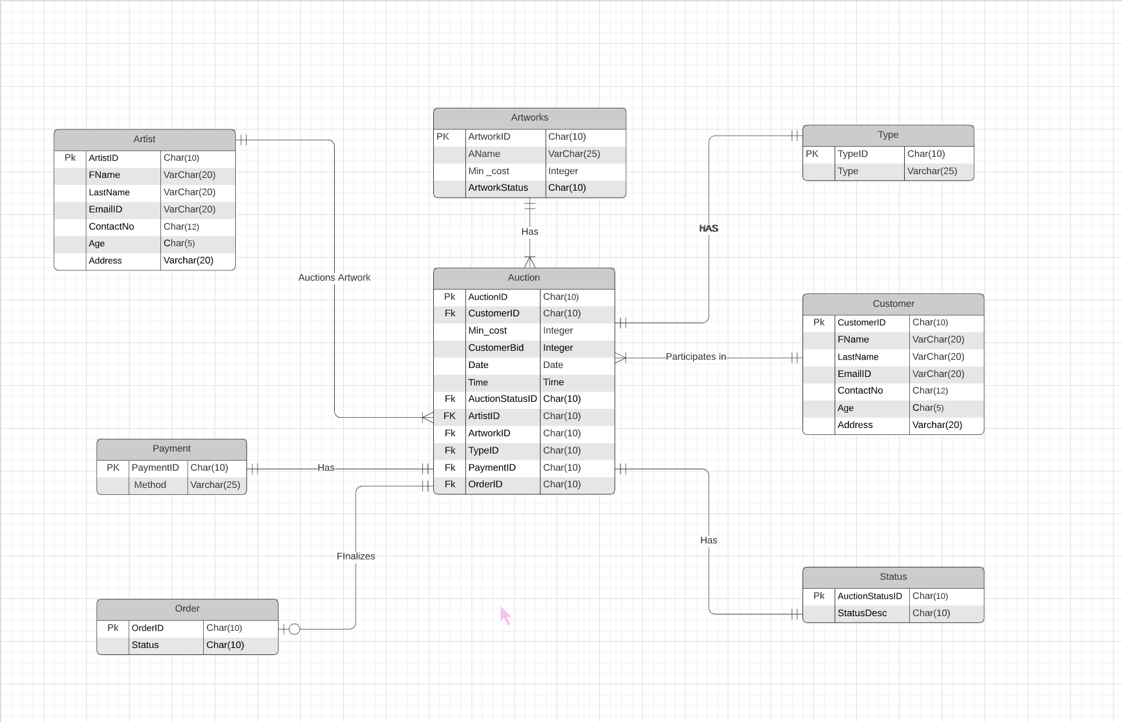
BEFORE NORMALISATION:
 | AFTER NORMALISATION :

